Fruit Shape Visual
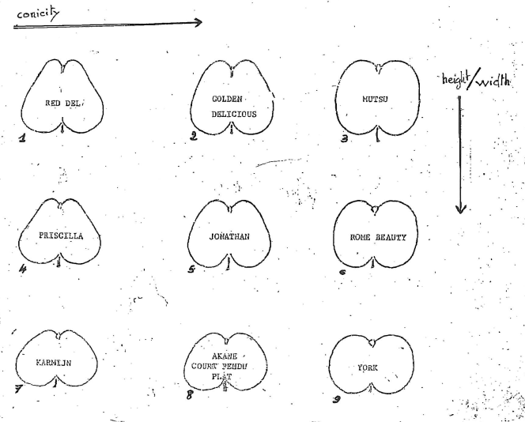

Sunburn Visual
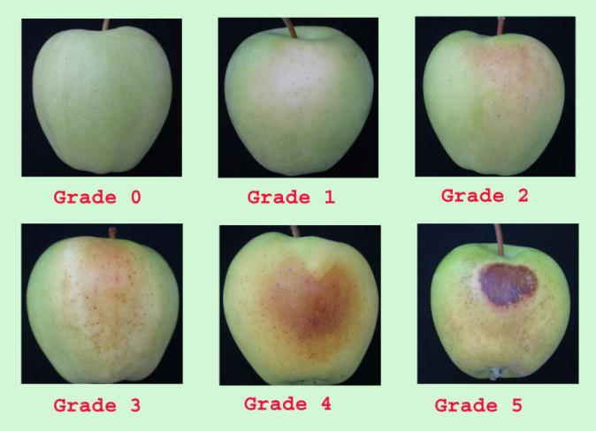

Greasiness
Greasiness is detected by trying to slide the thumb or finger firmly across the surface of the fruit
1 – None – finger slides with no resistance, may make audible squeak if great pressure is applied
2 – Slight – slight resistance and tackiness
3 – Medium – considerable resistance and persistent tackiness that lingers on finger
4 – Very Greasy – extreme force is needed to slide finger

